Sheet1
 |  | Document No. | Issue No. | Issue Date |  |  | Review and Replace Date |  | Authorised By
 |  | GFF018MC | 2 | 28.09.2018 |  |  | 15.07.2020 |  | Magda Shah
 |  | Document Title | 2 Wild Mushroom, Spinach & Ricotta Cheese Parcel 300g
Document amendments reason for change |  | Tray and shelf life updated |  | Page 1 of 1 |  | Previous Issue Date |  | 28.09.2018 | Uncontrolled copy unless signed original

CMSRCP-1R1TEB | BOOTHS |  | 2 WILD MUSHROOM, SPINACH & RICOTTA CHEESE PARCEL 300g
STEP 1 |  |  |  |  | STEP 2
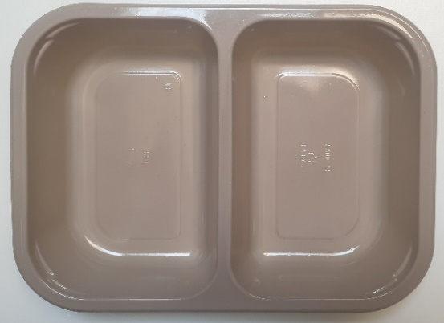 |  |  |  |  | 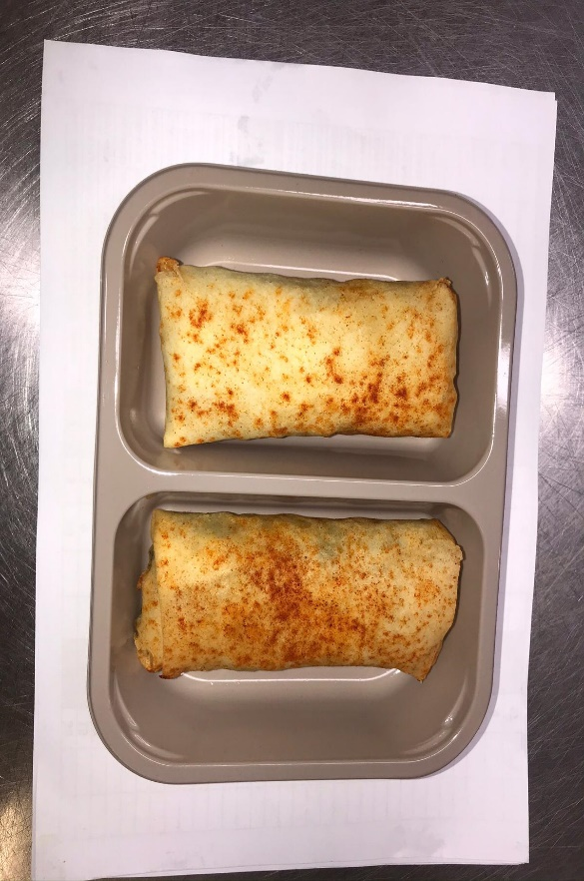

Tray: EVOLVE CPET 2200-2B (PKRHP001-11) |  |  |  |  | 2 x Wild Mushroom, Spinach & Ricotta Cheese Parcel (GFF220R) 2 x 150g
Line 1: Mylar 250LAF 250mm x 1000 (PKWRA001-08)
Line 1: K-Peel 75G + AF 25 250mm (PKKMP001-01)
Line 2: Mylar 25OLAF - 380mm wide (PKWRA001-02)
STEP 3

TOTAL WEIGHT: 300g

ALLERGY ALERT: MILK, WHEAT

